data sheets
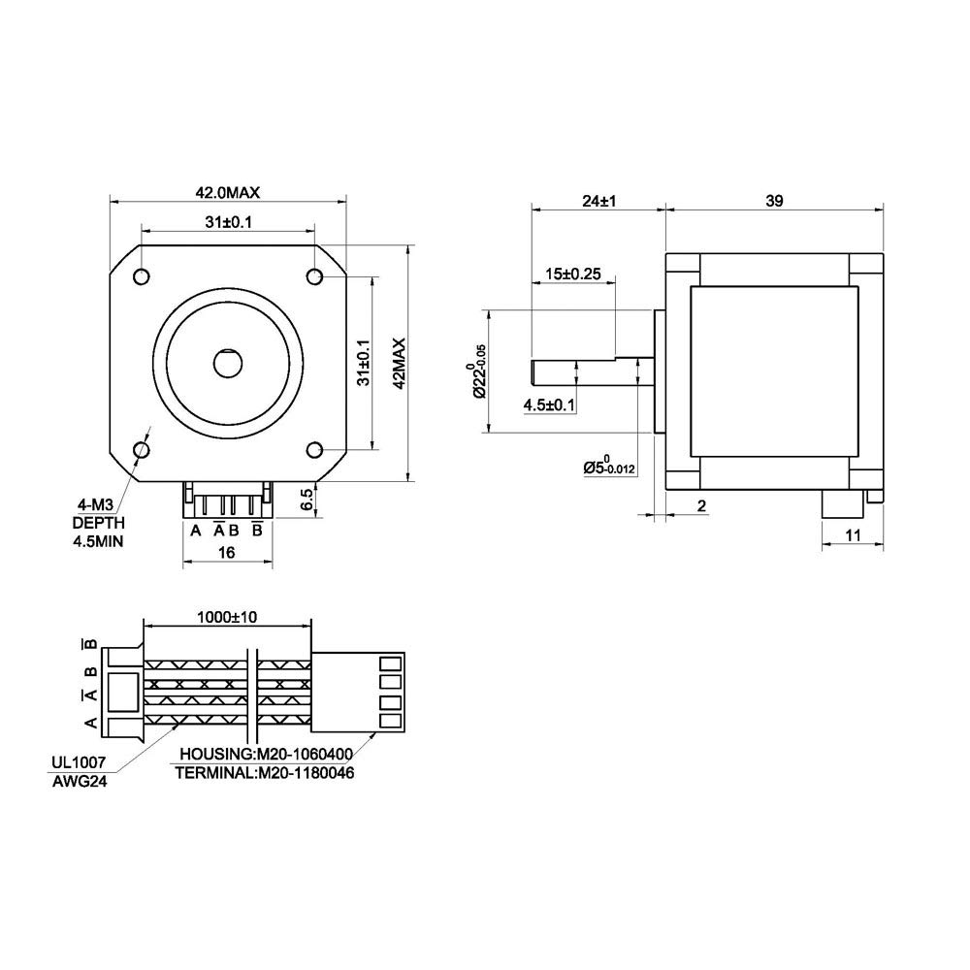
1

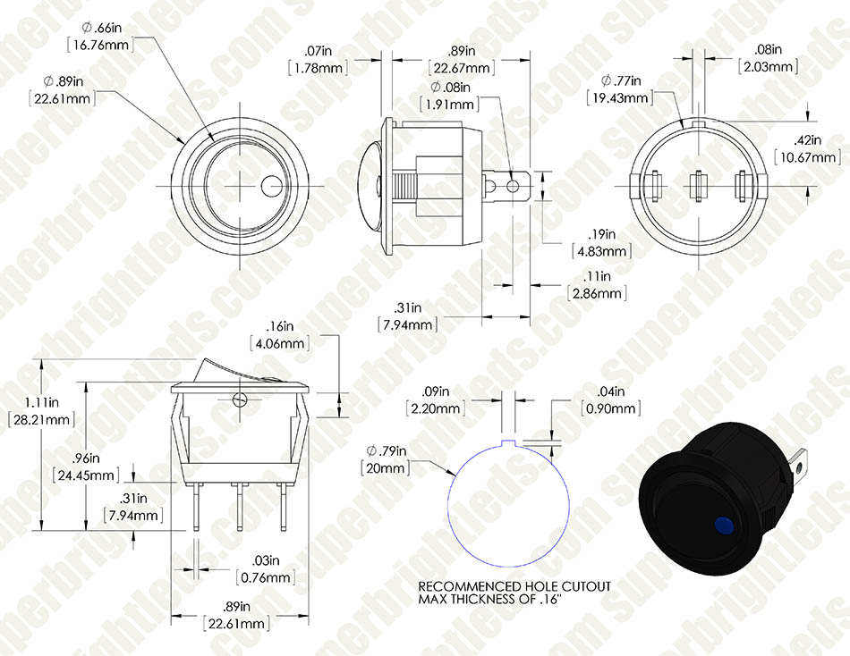

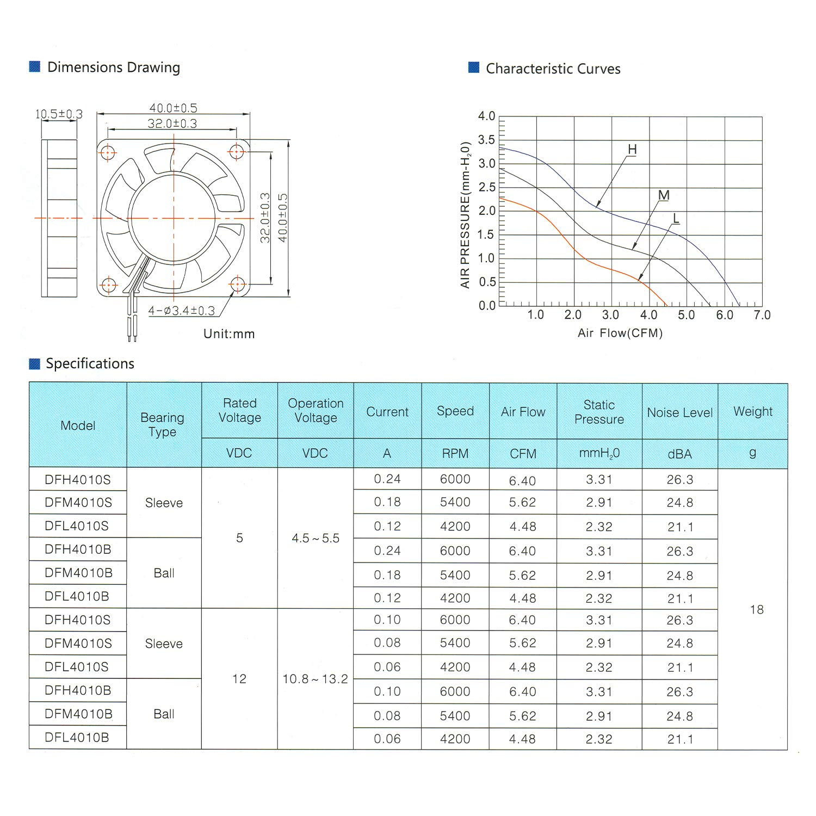

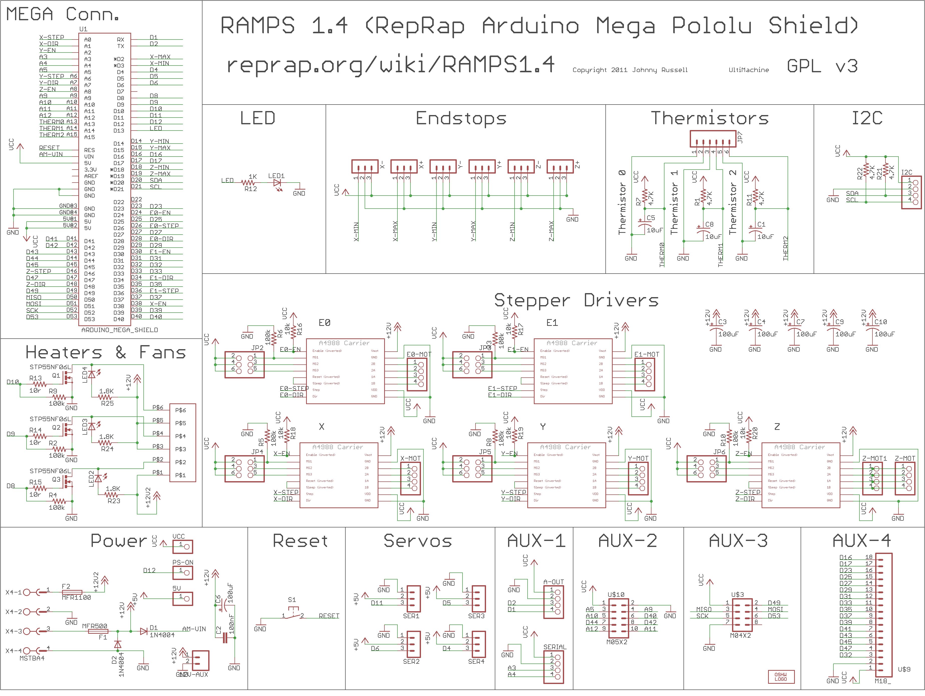

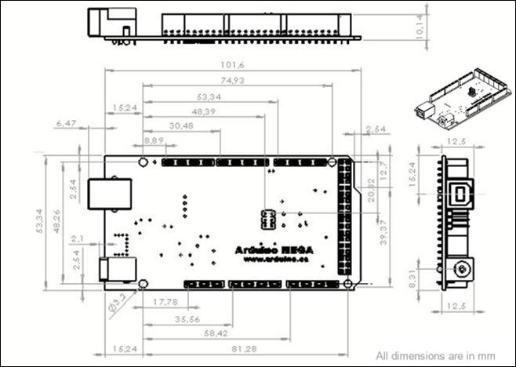

min
Max

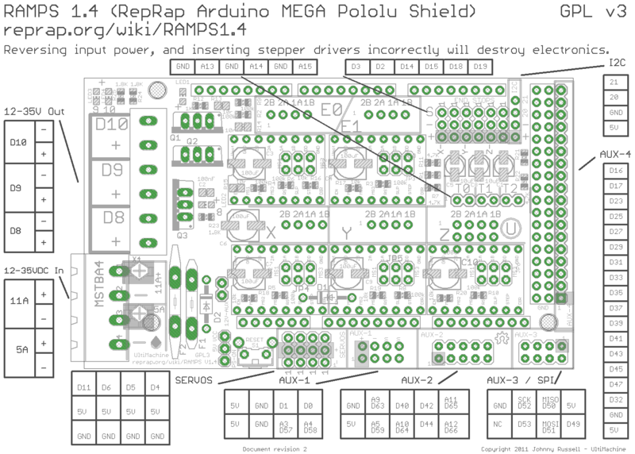

BUTTONS 1
2
rev
5
FAN
3
4
pot

Sheet5
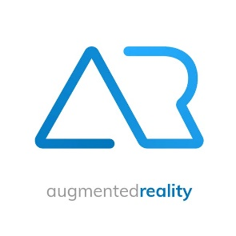

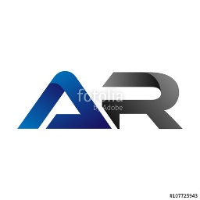
Adaptive Robotics ideas

ANIMALS
chamelion
frog/tadpole
tree growing in rock | not dynamic enough
butterfly metamorphosing
snow leopard
snow bunny
girraffe



MORPHING IDEAS
evolution from monkey to man to robot
fish walking
power cord growing to plant
rodent morphing into bird
half sun/ half gear





PATTERN/ABSTRACT
arrows moving different directions |  | represents change
cyclic pattern breaking |  | represents change
change in pattern
hexagon and cube |  | shows 1 thing that is actually 2
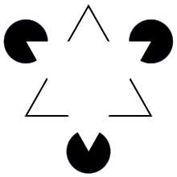
optical illusions |  | memorable, catchy, kind of "gimmicky"
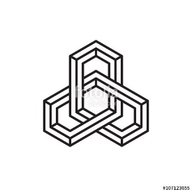

abstract A.R. shapes |  | popular

